strategy1
STRATEGY 1: Initial Stop Loss - 0.96 of Gap Up Open. Reset stop loss at 4% to higher of 1.04 or 0.99 of low from two days before.

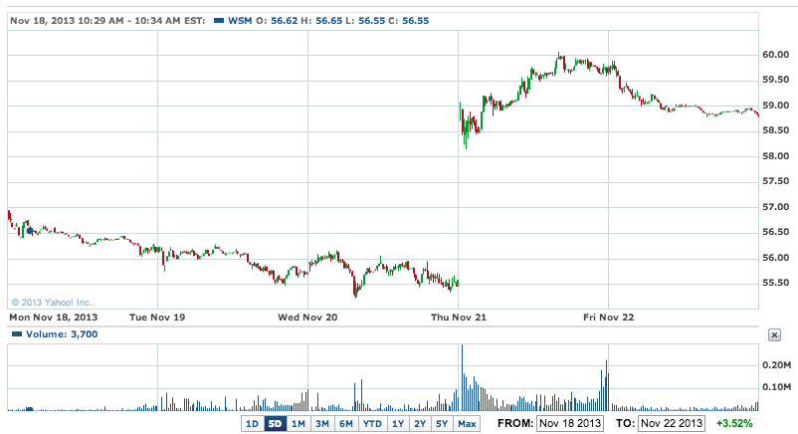
Stock | WSM | Buying on gap up due to strong earnings and outlook
Date | 2013-11-20
 | Open | High | Low | Stop Loss | Stop Loss Reset | 4% Stop Loss Reset | 8% Stop Loss Reset | 2-day low SL Reset | Trade | Price
1 | 58.76 | 60.07 | 58.12 | 56.4096 | 61.1104 | 61.1104 | 63.4608 |  | BUY | 58.94
2 | 59.77 | 59.93 | 58.76 | 56.4096 | 61.1104 |  |  |  | HOLD
3
4
5
6
7
8
9
10

 |  |  |  |  |  |  |  |  | G/L % | #N/A

Stock | DE | Buying on gap up due to strong earnings and outlook
Date | 2013-11-20
 | Open | High | Low | Stop Loss | Stop Loss Reset | 4% Stop Loss Reset | 8% Stop Loss Reset | 2-day low SL Reset | Trade | Price
1 | 85.3 | 84.5 | 83.77 | 81.888 | 88.712 | 88.712 | 92.124 |  | BUY | 84.88
2 | 84.67 | 84.8 | 83.21 | 81.888 | 88.712 |  |  |  | HOLD
3 | 83.84 | 85.08 | 83.71
4
5
6
7
8
9
10

 |  |  |  |  |  |  |  |  | G/L % | #N/A

Stock | WDAY | Buying on gap up due to strong earnings and outlook
Date | 2013-11-26
 | Open | High | Low | Stop Loss | Stop Loss Reset | 4% Stop Loss Reset | 8% Stop Loss Reset | 2-day low SL Reset | Trade | Price
1 | 82.04 | 86.06 |  | 78.7584 | 85.3216 | 85.3216 | 88.6032 |  | BUY | 86.7
2 |  |  |  |  |  |  |  |  | HOLD
3
4
5
6
7
8
9
10
 |  |  |  |  |  |  |  |  | G/L % | #N/A

Stock | TIF | Buying on gap up due to strong earnings and outlook
Date | 2013-11-26
 | Open | High | Low | Stop Loss | Stop Loss Reset | 4% Stop Loss Reset | 8% Stop Loss Reset | 2-day low SL Reset | Trade | Price
1 | 82.04 |  |  | 78.7584 | 85.3216 | 85.3216 | 88.6032 |  | BUY | 79.65
2 |  |  |  |  |  |  |  |  | HOLD
3
4
5
6
7
8
9
10
 |  |  |  |  |  |  |  |  | G/L % | #N/A

Gap Ups of Interest
Date | Ticker | Premarket | Journal? | Notes | Day 2
2013-11-22 | PVG |  |  | Industrial company, already up 50%. Has small gap up. 350MM market cap. | Turned out to be a blowaway power up day with a little more to go in following days, but did not go much higher than top of first day.
2013-11-22 | ARIA |  |  | Phamaceutical drug. 35% gap on news that European regulators will allow it, after it fell in Oct due to the FDA banning the drug. I don’t think the strength of this one will continue. | Blew it away the next day! Wow. Continued to surge higher to 5. |  |  | 
2013-11-22 | YUM |  |  | This stock gaps up a lot. I think it could mean a few points but not consistent with my strategy on this one. Will likely close the gap. | Power up, but gap stalled out and finally went down.
2013-11-22 | CVC |  |  | Gap up on merger rumors from Time Warner and another competitor. | Continued its run up, but not before falling the next day. |  |  | 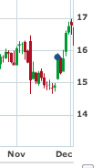
2013-11-22 | ETNA |  |  | Pharma up on strong P3 trials for Hepatitis C drug | Continued MONSTER run! | 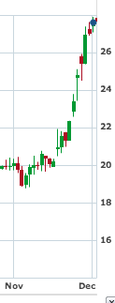 | 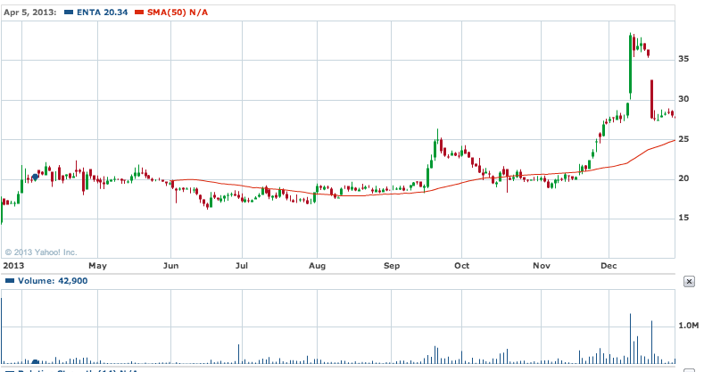
2013-11-22 | CY |  |  | Cyprus semiconductor up - no apparent news | Gap closed after several days. | 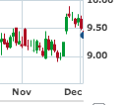
2013-11-22 | CLDX |  |  | Biopharma with good clinical trial news. Turned out to be not a good gap up. | 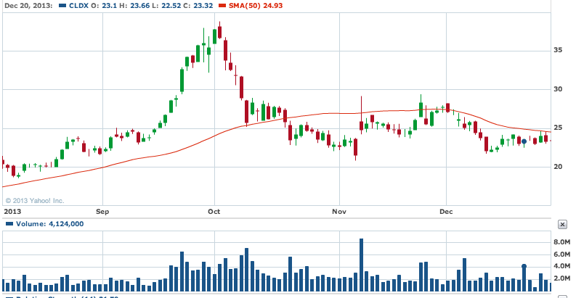
2013-11-22 | OMC |  |  | Possible breakout on resistance? | 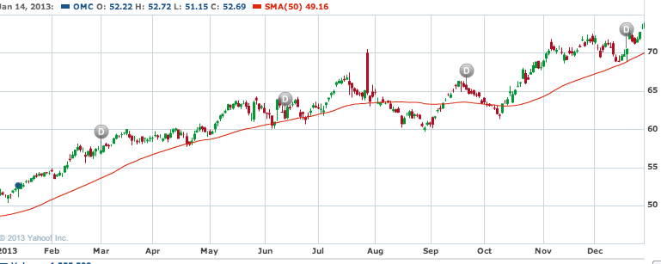
2013-11-22 | BIIG |  |  |  | Another 10% up? Yowza
2013-11-25 | OREX |  |  | Also trading higher was Orexigen (OREX), which rose 53c, or 9.33%, to $6.21 after the company said its obesity drug Contrave met a pre-specified criteria for cardiovascular risk in a study, which will lead the company to resubmit its New Drug Application for the treatment to the FDA in the next few weeks. Pump and dump? | 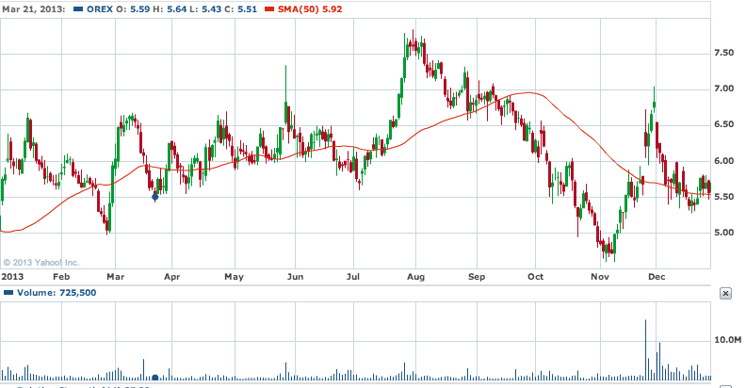
2013-11-25 | DVA |  |  | DaVita (DVA), which rose $5.01, or 8.86%, to $61.55, following a final rule issuance from the Centers for Medicare & Medicaid Services on Medicare policies and payment rates for 2014 for dialysis facilities that a number of analysts said was favorable for DaVita and other companies involved in dialysis treatment. | 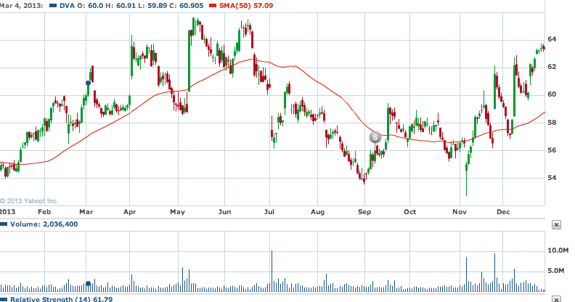
2013-11-25 | BKW
2013-11-25 | BLRX |  |  | InPlay: BioLineRx announces new positive results in Phase 2a trial for orally available inflammatory bowel disease treatment; new results show BL-7040 to reduce pro-inflammatory cytokine levels and improve colon histology in IBD patientsBriefing.com(Tue 7:06AM EST)
2013-11-26 | GLUU
2013-11-26 | TITXF
2013-11-26 | MHO
2013-11-27 | VJET
2013-11-27 | FWLT |  |  | Talks that Amec is going to buy the company
2013-11-29 | IRE |  |  | ADR - interested in viewing the gap ups
2013-11-29 | BCA |  |  | Also heading higher by double-digits was commercial and retail banking company CorpBanca (NYSE: BCA ) , which operates in Chile. CorpBanca shares vaulted 11.1% higher on the day after Bloomberg reported yesterday that billionaire Alvaro Saieh, who owns a controlling 76% interest in CorpBanca, has hired Bank of America and Goldman Sachs to help sell his stake in the company, possibly to Itau Unibanco, according to two people familiar with the matter. As you might have already suspected, every party involved declined to comment, although, if true, it would mean the potential for a bidding war for CorpBanca in a best case scenario. This is certainly a situation that bears watching; as Chile and Latin America offer much more robust growth opportunities than most domestic U.S. banks, CorpBanca could still have room to run higher.
2013-11-29 | CSFS |  |  | Stock chart looks AWFUL, but it is up on news that the company adopted a new bylaw regarding how they elect new directors
2013-12-03 | OMED |  |  | Collaborative agreement with CE
2013-12-03 | UNIS |  |  | Deal with Novartis
2013-12-03 | CNAT |  |  | It's drug got orphan status. On first day it gapped up, but ended down.
2013-12-04 | ARCW
2013-12-04 | PLUG |  |  | Power cell company up on no news - up 60%. TheStreet came out with an article saying that the company expects to sign a deal to sell fuel cells for 3 to 6 sites, ~$30-$40MM in revenue in Q4 which will blow away the #1MM in sales achieved in Q1. Mgmt says the deal will allow it to turn a profit next year. | Shit… on day 2 it went up another 40! | 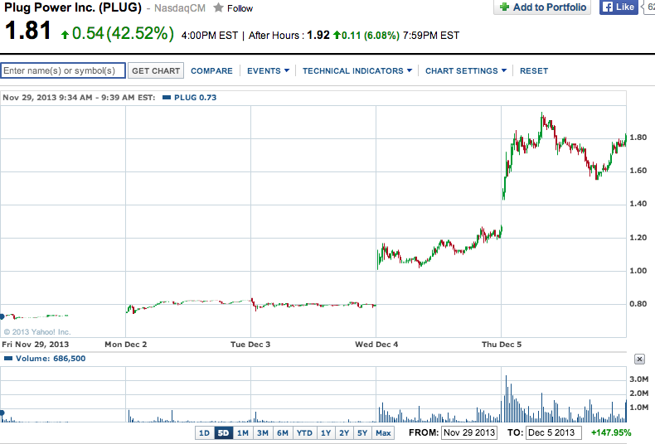 |  |  | 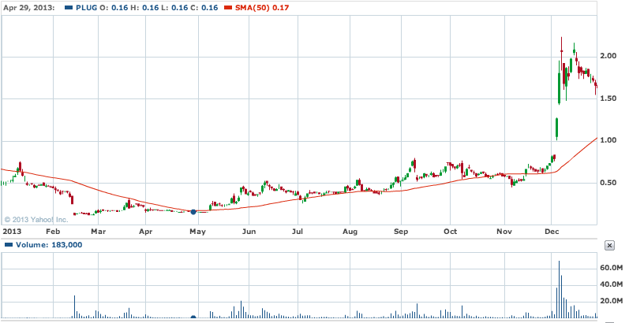
2013-12-04 | BLDP |  |  | Another fuel cell companyup big! | 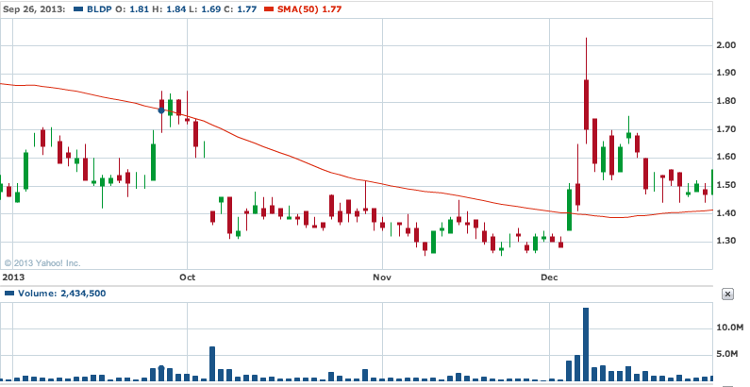
2013-12-05 | PBYI | 60%+ |  | Bucking the trend and leading all stocks higher was Puma Biotechnology (NYSE: PBYI ) which absolutely skyrocketed by 68.2% after announcing positive top-line data from its midstage neoadjuvant breast cancer study for neratinib. According to Puma's press release, the neratinib arm would be expected to deliver superior results to the control arm in treating HER2-positive/HR-negative signature breast cancer. Bayesian predictive models demonstrate a 94.7% probability of superiority over the current standard of treatment with this signature and a 78.1% probability of superiority over a control arm consisting of paclitaxel and Herceptin. Clearly, this data was much better than anyone had expected and lends hope that neratinib could one day become a blockbuster drug. | OMFG - notice the relief rally and continue to climb higher. |  |  | 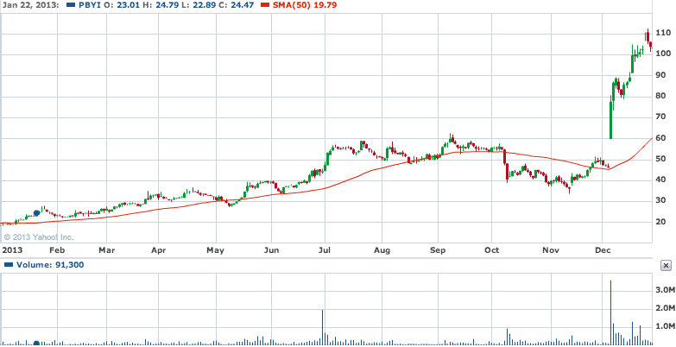
2013-12-05 | MEI | 30% |  | soared a whopping 43.1% after reporting second-quarter earnings results. For the quarter, Methode delivered a 47% increase in sales to $190.9 million, while consolidated gross margin rose 450 basis points to 21.7% and adjusted earnings per share, excluding last year's one-time settlement, rose 292% to $0.51. A mixture of higher sales in its automotive, interconnect, and power products segment helped push revenue higher, as did lower costs and improved operating efficiency. Furthermore, Methode published its revenue growth projections (link opens pdf file) through 2017, which call for a compound annual growth rate of 16% that will lead to more than $925 million in sales by that year. With that type of growth, Methode's run may be well-deserved. | 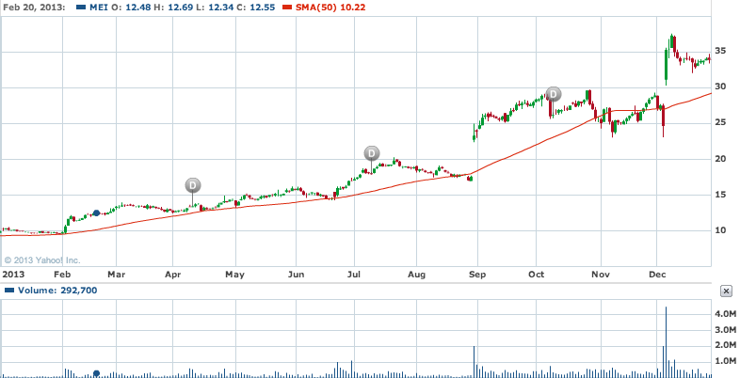
2013-12-06 | FNSR |  |  | Earnings beat. This one failed to climb higher and I think the reason may have been due to overhead supply. This one was recently at higher prices, so there were probably a lot of sellers looking to cut loses or get out while the losses were partially recovered. | 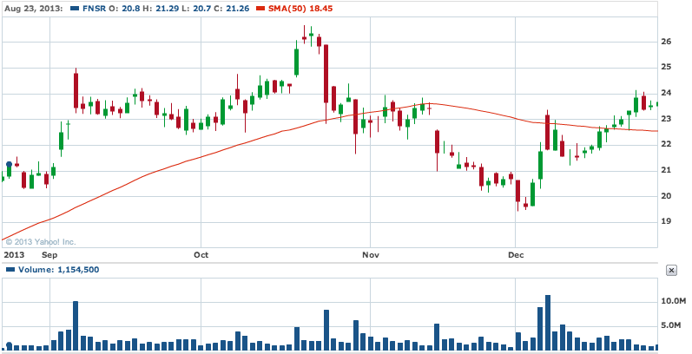
2013-12-06 | PSUN |  |  | Pacific Sunwear of California. Up on strong revenue in earnings report from day before. | 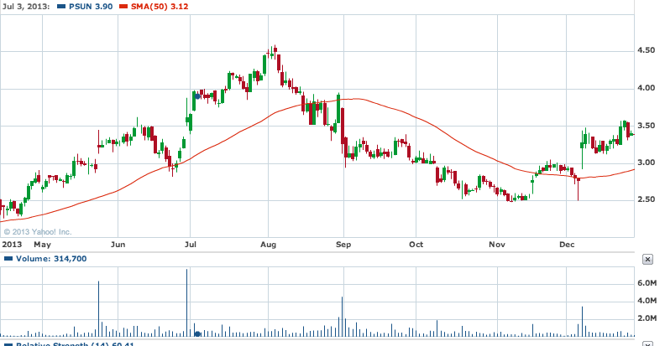
2013-12-06 | GERN | 8% |  | Geron Corporation is a clinical stage biopharmaceutical company developing a first-in-class telomerase inhibitor, imetelstat, in hematologic myeloid malignancies. The company was founded in 1990 and is based in Menlo Park, California. Here's what's going on in premarket (it's up 5%+): Geron Corporation (NASDAQ:GERN) was on the move in pre-market trading on Friday after John Scarlett, M.D., President and Chief Executive Officer, presented an overview of the company at the 25th Annual Piper Jaffray Healthcare Conference in New York. In other news late Thursday, the company plans to host a live webcast of an analyst and investor meeting at 6:30 p.m. CT on December 9, 2013. It keeps going up in premarket! I have to chase it! Now up 13.59% I increased my order from 6.35 to 6.61! and I still don't have it! This is a lesson not to buy on conference presentation chatter. In fact conference baloney should be shorted! This stock went nowhere. | 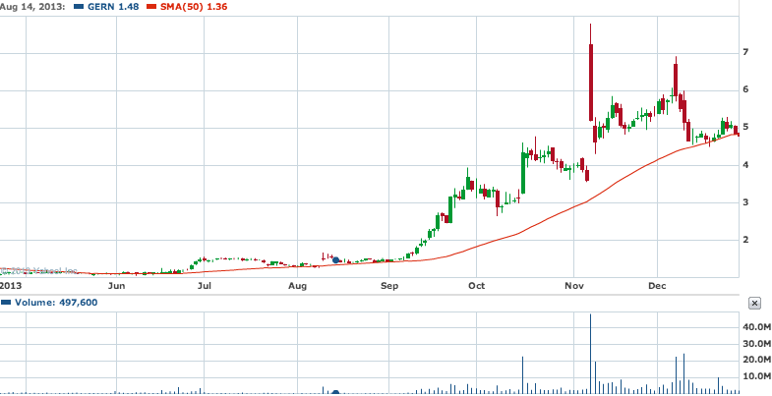
2013-12-06 | ZIOP | 3.88% |  | 7:01 am ZIOPHARM announces unanimous recombinant DNA advisory committee approval for phase 1 study of Ad-RTS-IL-12 in subjects with recurrent or progressive Glioblastoma (ZIOP) : Co announced the unanimous approval of the National Institutes of Health's Recombinant DNA Advisory Committee for the initiation of a Phase 1 study of Ad-RTS-IL-12, an adenoviral vector engineered to express interleukin-12 under the control of veledimex, an oral activator, in subjects with recurrent or progressive glioblastoma or grade III malignant glioma (brain cancer). ZIOPHARM has announced plans to launch a Phase 1 study of Ad-RTS-IL-12 in malignant glioma in the first half of 2014. The Company is currently studying Ad-RTS-IL-12 in Phase 2 studies in melanoma and breast cancer. "Important variables to the efficacy and safety of such therapies include the immune-privileged status of the central nervous system, the processes that contribute to the suppression of immune responses and the ability to modulate a brain tumor specific immune response. In animal tumor models, Ad-RTS-IL-12 and veledimex demonstrate a significant ability to overcome these barriers by localizing and tightly controlling expression of the potent immune cytokine interleukin-12. I look forward to seeing this promising therapeutic approach move quickly into clinical trials in patients with malignant brain tumors." | 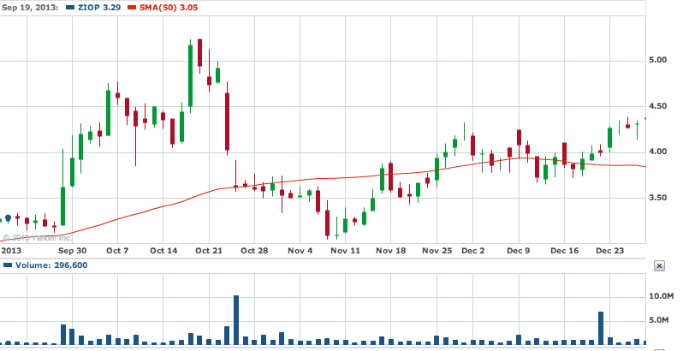
2013-12-09 | MOSY |  |  | No fundamental news appears to be out. Possibly up on technical reasons. Note the strong volume. Institutional buying? | 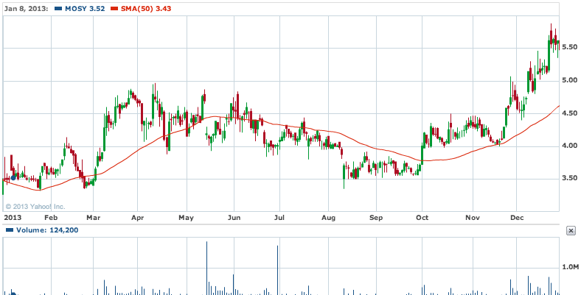
2013-12-16 | BLRX | 20.39% |  | 7:04 am BioLineRx reports promising initial Phase 2 results of acute myeloid leukemia treatment; initial results for BL-8040 show substantial mobilization of cancer cells and signs of robust cancer cell death (BLRX) : Co announces promising initial results for its BL-8040 drug candidate in a Phase 2 clinical trial for patients with relapsed or refractory acute myeloid leukemia. The early results show that BL-8040, as a stand-alone therapy and in combination with high-dose Cytarabine, is safe at all doses tested to date, and triggers substantial mobilization of cancer cells from the bone marrow to the peripheral blood, thereby increasing the vulnerability of the cells to chemotherapy treatment. In addition, signs of robust apoptosis of cancer cells were observed following administration of the higher doses tested to date. The study has not yet reached the highest planned doses, suggesting that a strengthening of BL-8040's effects may be observed in future dosing cohorts. The Phase 2 trial is a multicenter, open-label study under an IND, and is designed to evaluate the safety and efficacy of repeated escalating doses of BL-8040 in adult patients with relapsed or refractory AML. The primary endpoints of the study are to assess the safety and tolerability of BL-8040. Secondary endpoints include the pharmacokinetic profile of the drug and an efficacy evaluation, indicated by the extent of mobilization of cancer cells from the bone marrow to the peripheral blood, the level of cancer cell death (apoptosis) and clinical responses. Eight patients have already been enrolled in the study, out of a total expected enrollment of up to 50 patients at eight clinical sites in the U.S. and Israel. To date, there have been no serious adverse events related to BL-8040, while the primary adverse event has been a minor and transient reaction at the injection site. The BL-8040 dosing level of the current study cohort is 1 mg/kg, with the highest planned study dose being 1.5 mg/kg. | 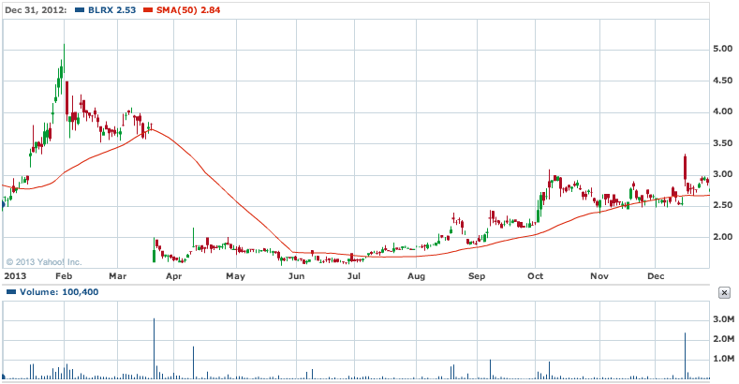
2013-12-17 | HEI |  |  | Power up day - company declares special divident of $0.41/share
2013-12-19 | CVC | < 1% |  | Small gap up again on no news, which turned into power up day. - But this was a strong up day for many stocks bc of Federal Reserve meeting set up for Santa Claus rally. Note the lower volume. | 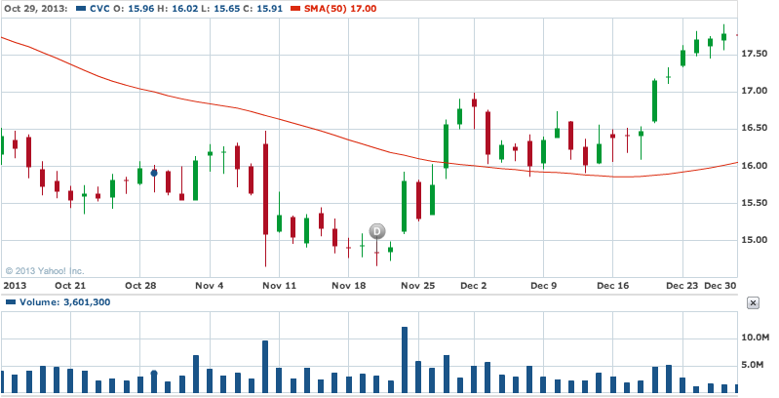
2013-12-20 | ORMP |  |  | JERUSALEM, Dec. 20, 2013 /PRNewswire/ -- Oramed Pharmaceuticals Inc. (NASDAQCM: ORMP) (www.oramed.com), a clinical-stage pharmaceutical company focused on the development of oral drug delivery systems, announced today successful results in a clinical trial testing the pharmacokinetic dose response of its oral insulin capsule (ORMD-0801) in type 1 diabetes patients. Patients were treated with a different dose of oral insulin at each study visit; blood glucose and insulin levels were then monitored for the ensuing five hours. Patient responses positively correlated with administered doses, as did the duration of the effect. "Based on these and the notable results from our previous oral insulin trials in type 1 diabetes, we continue to move forward with this indication in parallel to our advanced clinical studies in type 2 diabetes," commented CEO Nadav Kidron. Type 1 diabetes (T1DM) is an autoimmune disease wherein the body destroys its own insulin-producing cells, leaving patients completely dependent on external insulin sources. The disease, formerly known as juvenile diabetes, currently affects both young and adult populations. According to the International Diabetes Federation, T1DM is on the rise at a rate of 3% per year and currently affects approximately 36 million people worldwide - about 10% of the global diabetes population. The disease was formerly known as juvenile diabetes, and currently affects both young and adult populations. | 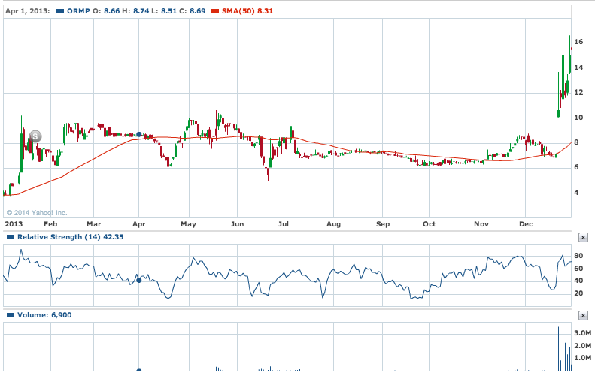
2013-12-27 | ALU | 4% |  | No news
2013-12-27 | MCP | 11% |  | No news
2013-12-30 | BIOL | 17% |  | Approval of product for sale in canada
2013-12-30 | ELMD | 105% |  | FDA approval of product
2013-12-30 | NQ | 17% |  | Shares of NQ Mobile (NYSE: NQ ) continued their volatile ways Monday, rising more than 17% after SEC filings revealed Morgan Stanley (NYSE: MS ) has opened a 5.2% passive stake in the controversial Chinese mobile Internet services specialist.
2013-12-31 | ONVO |  |  | 3D biological printing company. They expect their first product to come out by the end of 2014. Stock was up 7% premarket.
2014-01-02 | ASTI | 15% |  | 6:01 am Ascent Solar signs definitive agreement to build new manufacturing plant in Suqian of Jiangsu province, China; Suqian will provide $32.5 mln for the Joint Venture (ASTI) : Co announced the signing of a definitive agreement to establish a joint venture entity with the Government of the Municipal City of Suqian in Jiangsu Province, China. Under this definitive agreement, Suqian will provide cash of ~$32.5 mln as well as five year rent-free use of ~331,000 square feet of factory & office space in the Suqian Economic and Industrial Development Science Park. The JV will build a 100MW factory over six years to manufacture Ascent's proprietary thin-film Copper-Indium-Gallium-Selenium photovoltaic modules on flexible polyimide in addition to related consumer products. In the initial phase of the project, Ascent and Suqian will form a JV in which Suqian will inject ~$4.8 mln in cash and have majority interest of 75%. Ascent shall inject ~$1.6 mln in cash and hold a minority interest of 25%. Subsequently, during 2014 Suqian will further inject the balance of the committed $32.5 mln while Ascent will contribute its proprietary technology and intellectual property, as well as certain equipment from its Colorado facility, thereby increasing its shareholdings progressively up to 80% ownership. By the first quarter of 2016, the JV is expected to operate an end-to-end manufacturing plant of 25 megawatts capacity and related consumer products
2014-01-02 | HSOL | 6% |  | 3:04 am Hanwha SolarOne to supply 11.5 MW to Ikaros Solar (HSOL) : Co announces that it will supply 11.5 MW of high quality solar modules to Ikaros Solar Belgium NV. The modules are scheduled for delivery in January and February 2014. Ikaros intends to install the modules in a solar park in Norfolk County, United Kingdom. Hanwha SolarOne will supply its 72-cell module HSL-72, characterized by excellent real-life performance and extended durability.
2014-01-02 | MCP |  |  | Motley fool: Molycorp jumped 12% after getting a favorable assessment from analysts at DA Davidson today. The firm named Molycorp as a "best pick for 2014," citing its well-known status as one of the few rare-earth metals suppliers outside China as a potential catalyst for growth. Yet although DA Davidson sees more than 25% further price appreciation potential even after today's jump, skeptics would prefer to see prices of rare-earth metals recover from their sharp losses in recent years before committing to the stock's future prospects.
2014-01-02 | ORMP |  |  | 8:21 am Oramed Pharmaceuticals receives patent allowance in Israel and Australia for platform technology in oral delivery of proteins (ORMP) : The patent entitled, "Methods and Compositions for Oral Administrations of Proteins" covers a core concept of the company's technology for the oral delivery of drugs and vaccines currently delivered via injection. The allowance in Israel marks the second from the Israel Patent Office in the past 30 days. Additionally, this is Oramed's second Australian patent allowance, following the grant of a different patent in May 2012. The patent has also been approved in Japan, China, Russia, and New Zealand.
2014-01-02 | CTIC | 2% | Y | This one was only up like 2% in the premarket but rocketed much higher after the open. 1:47 am Cell Therapeutics announces removal of the partial clinical hold on Tosedostat (CTIC) : Co announces that it has received notification from the FDA that the partial clinical hold on tosedostat has been removed and all studies underway may continue. Tosedostat is a first-in-class selective inhibitor of aminopeptidases, which are required by tumor cells to provide amino acids necessary for growth and tumor cell survival, and is under development for the treatment of blood-related cancers. Tosedostat is currently being studied in the United States and European Union in investigator-sponsored and cooperative group-sponsored Phase 2 trials in elderly patients with newly diagnosed and relapsed acute myeloid leukemia and high-risk myelodysplastic syndromes.
2014-01-02 | YGE | flat | Y | 520am: Yingli Green Energy (YGE) announced that its wholly-owned subsidiary, Yingli Energy Company has entered an agreement to establish a joint venture with Shuozhou Coal Power Co. The Joint Venture will develop and construct solar power plants in Shuozhou city, Shanxi province. | 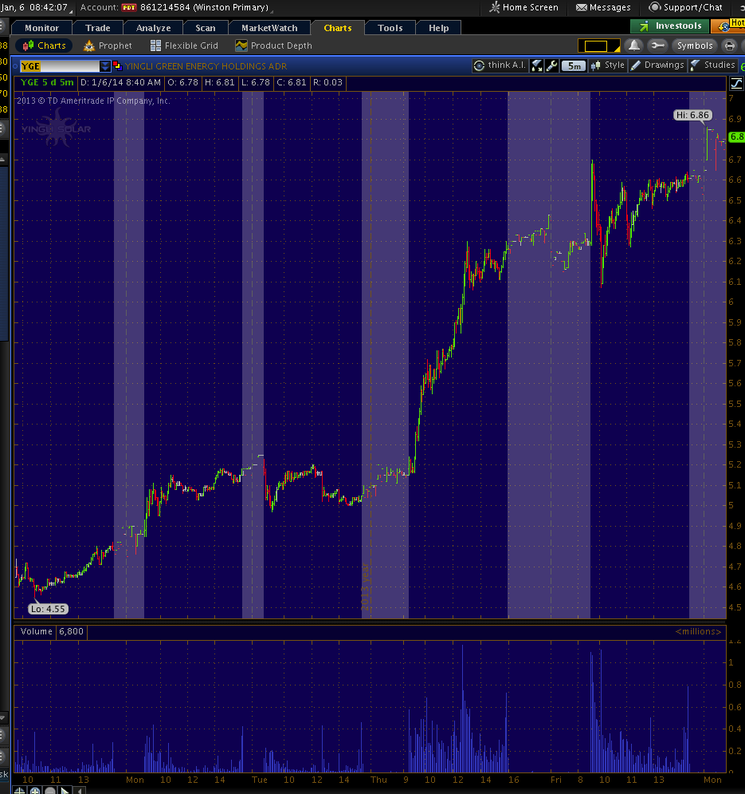
2014-01-02 | MSO | flat | N | 8:02 am Martha Stewart and Macy's (M) settle legal dispute; terms confidential, but not material to MSO (MSO) : MSO and Macy's (M) have resolved their legal dispute. MSO announced: "we are pleased to be able to put this matter behind us. The terms of our settlement are confidential, will not be disclosed, and are not deemed to be material to MSLO. We can now return our focus to what we do best -- bringing beautifully designed, high quality, affordable products to consumers nationwide. We look forward to a continued, successful partnership together." | 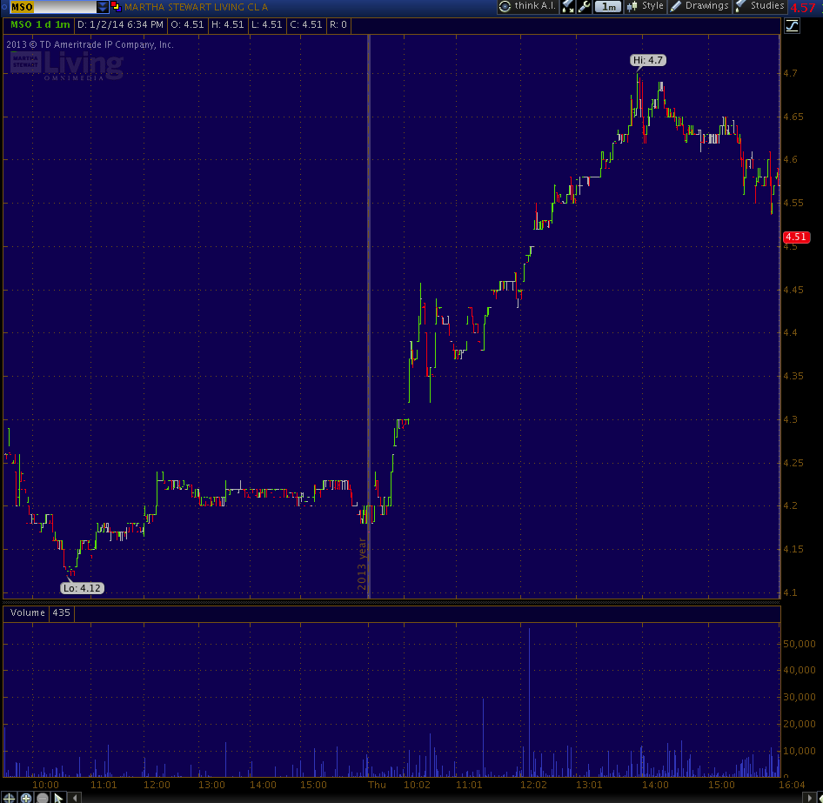
2014-01-06 | PPHM | ~30% | Y
2014-01-06 | BEAT |  |  | BioTelemetry (BEAT) and Well Bridge Health announced the formation of a partnership to commercialize a novel approach to the management and remote monitoring of CHF patients.
2014-01-06 | PKD
2014-01-07 | NBIX
2014-01-07 | STXS
2014-01-07 | PAL | 6%
2014-01-07 | GALE | 6%
2014-01-08 | ABIO |  |  | Drug approved by FDA
2014-01-08 | TISI |  |  | tasr
2014-01-09 | ICPT | 114%
2014-01-09 | ANGI |  |  | Up on analyst upgrade
2014-01-13 | AGEN |  |  | 7:11 am Agenus to Acquire Privately Held 4-Antibody AG for an initial payment of $10 mln in shares of Agenus common stock, plus additional contingent payments that may exceed $40 mln; Appoints Robert B. Stein as Chief Scientific Officer
2014-01-13 | TRNX | 2.00% |  | 7:34 am Tornier sees Q4 revenue guidance at $83-84 mln vs $76.3 Capital IQ Consensus Est (TRNX) : Co announced preliminary fourth quarter and full year 2013 revenue results. The Co expects revenue for the fourth quarter of 2013 to be in the range of $83-84 mln, representing growth compared to the year-ago quarter of between 5.1% and 6.3% as reported and 3.8% to 5.1% in constant currency. For the full year 2013, the Co expects revenue to be in the range of $310.5 to $311.5 mln, representing growth of between 11.9% and 12.3 % as reported and 11.1% to 11.5% in constant currency. Giving pro-forma effect to Tornier's fourth quarter 2012 acquisition of OrthoHelix Surgical Designs, to include OrthoHelix revenue for the full year 2012, full year 2013 constant currency revenue growth is expected to be between 3.3% and 3.7%. Tornier also announced that over 85% of Tornier's U.S. revenue is now under a new distribution agreement or transitioned to a direct sales model, positioning the Co to achieve a U.S. sales organization with representatives that are focused on either upper or lower extremity products. As a result of the transitions, including two December distributor separations, over 50% of the Co's U.S. revenue is now represented by direct sales representatives.
2014-01-13 | IDIX | 7% |  | 7:10 am Idenix Pharma reports sustained virologic response rate for Phase II all-oral combination study of samatasvir, a potent, pan-genotypic HCV NS5A inhibitor, and simeprevir (IDIX) : Co announced interim data from its ongoing phase II 12-week HELIX-1 clinical trial evaluating an all-oral, direct-acting antiviral (:DAA) HCV combination regimen of samatasvir (IDX719), Idenix's once-daily pan-genotypic NS5A inhibitor, and simeprevir (TMC435), a once-daily protease inhibitor jointly developed by Janssen R&D Ireland (JNJ) and Medivir AB, plus ribavirin. The combination regimen was well-tolerated in the study. In the treatment-naive, non-cirrhotic, genotype 1b or 4 HCV-infected patients receiving 50 mg of samatasvir and 150 mg of simeprevir plus ribavirin, 85 percent (n=17/20) remained undetectable for HCV RNA four weeks after completing therapy (SVR4). The 50 mg dose of samatasvir is the selected dose in the ongoing 3-DAA HELIX-2 clinical trial. The HELIX-1 study results are expected to be presented at a scientific meeting in 2014. The combination treatment regimen has been well-tolerated, and there have been no treatment-related serious adverse events in the clinical trial to date. The most frequently reported adverse events were fatigue, pruritus, anemia, nausea and insomnia.
2014-01-14 | CBMX |  |  | CombiMatrix Announces Partnership With ProPath to Provide Products of Conception Testing
2014-01-14 | PRIM | 0% |  | 7:30 am Primoris Services announces over $200 mln in new contracts (PRIM) : Co announced new contracts and work authorizations totaling $200.6 mln for the fourth quarter of 2013. The new contracts and work authorizations include work in the following end markets: power, pipeline, gas utility, industrial, highway/infrastructure, and water/wastewater. These new contracts and work authorizations are in addition to $192 mln of previously announced fourth quarter awards.
2014-01-17 | NIHD |  |  | 6:00 am NII Holdings announces agreement with Apple (AAPL) to bring iPhone to its Nextel Brazil operations (NIHD) : Co announced it will offer iPhone 5s, and iPhone 5c, to Nextel Brazil customers beginning January 31, 2014.
2014-01-17 | KONE

